Script
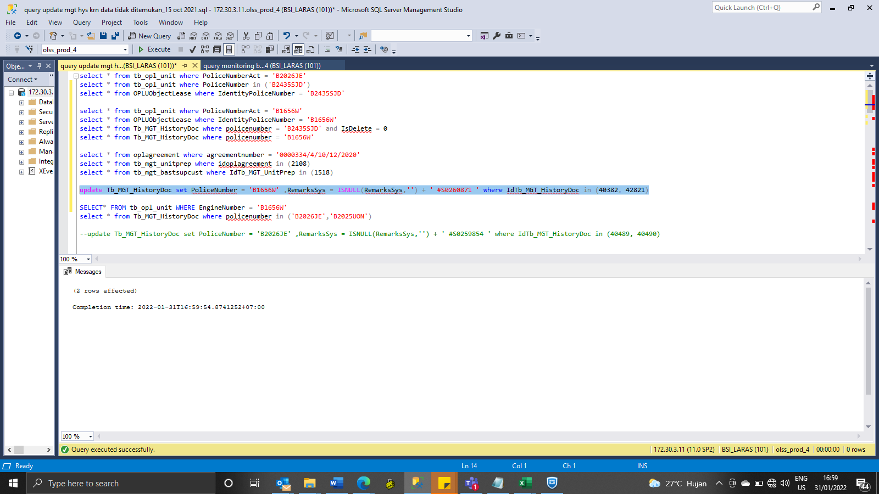
update Tb_MGT_HistoryDoc set PoliceNumber = 'B1656W' ,RemarksSys = ISNULL(RemarksSys,'') + ' #S0260871 ' where IdTb_MGT_HistoryDoc in (40382, 42821)

SS
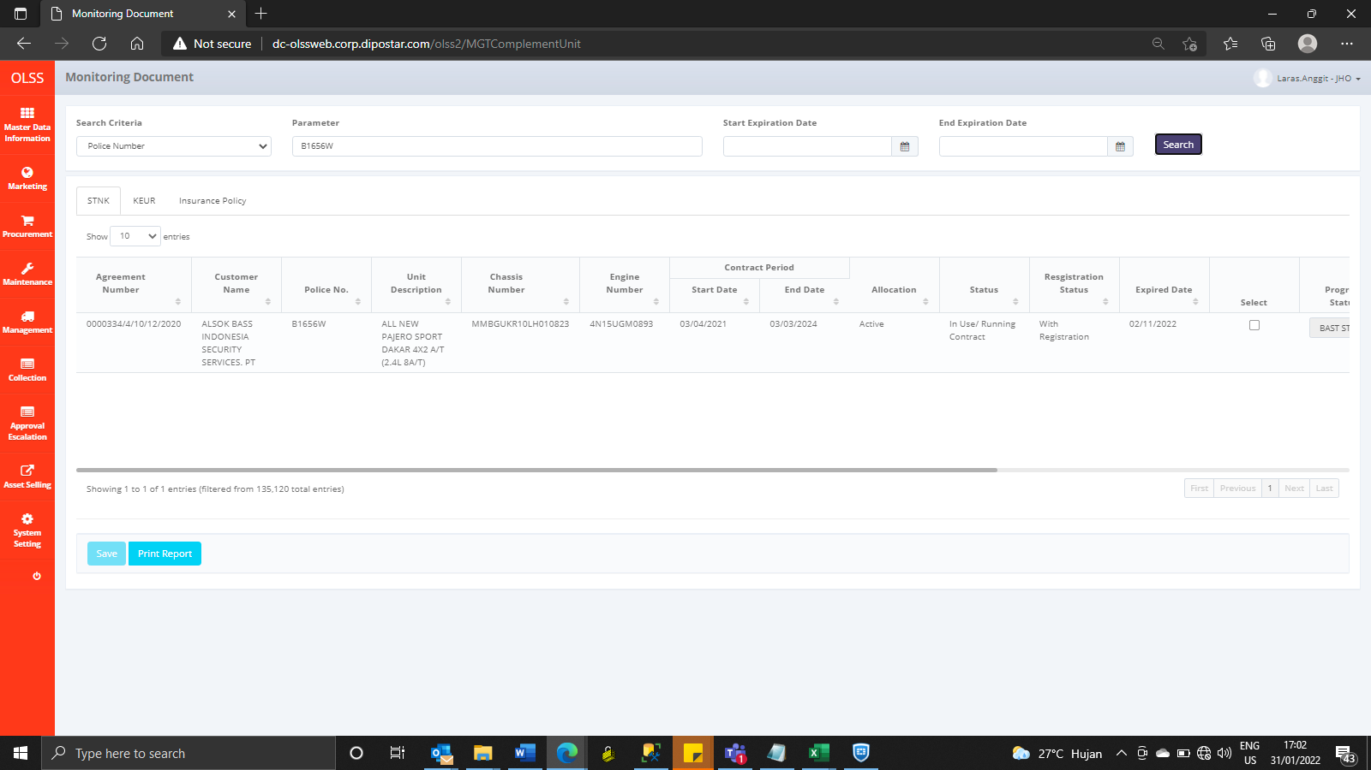
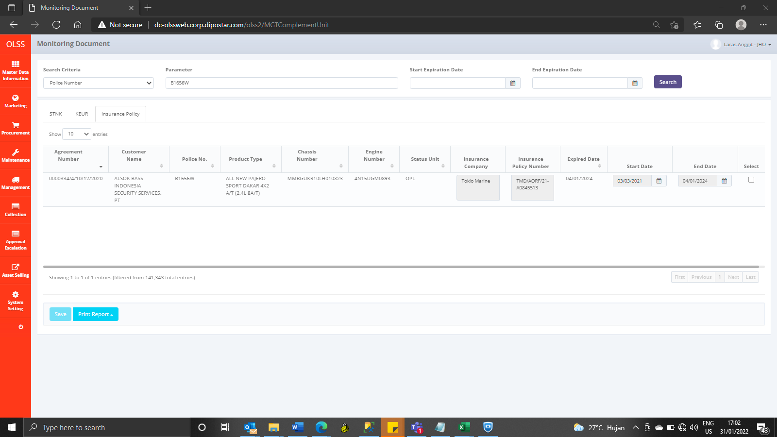
BEFORE
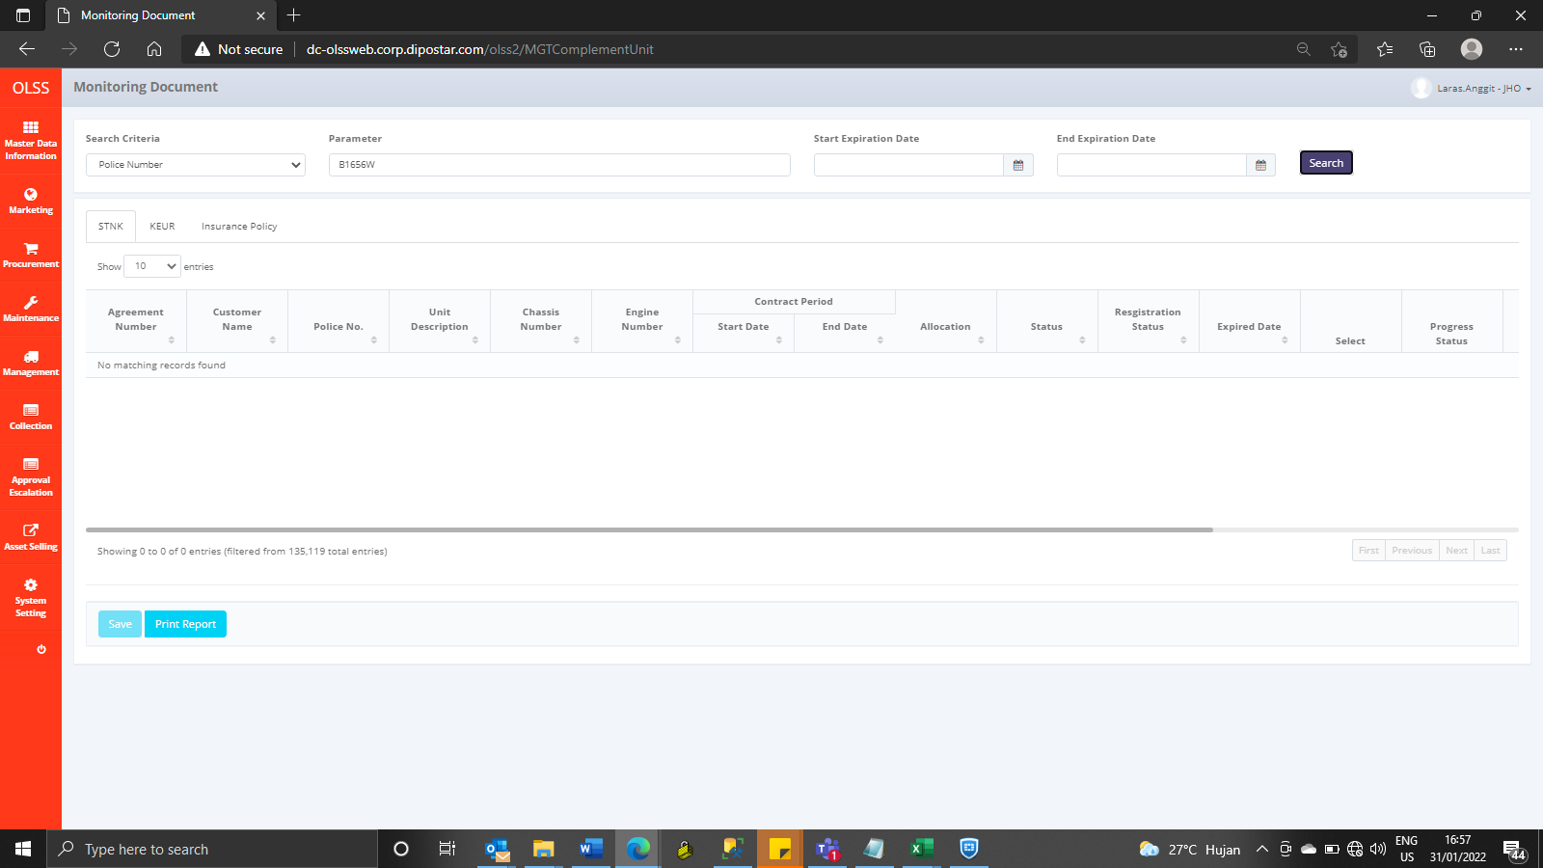



AFTER

